Q8-Q10
SECTION B – Practical Questions
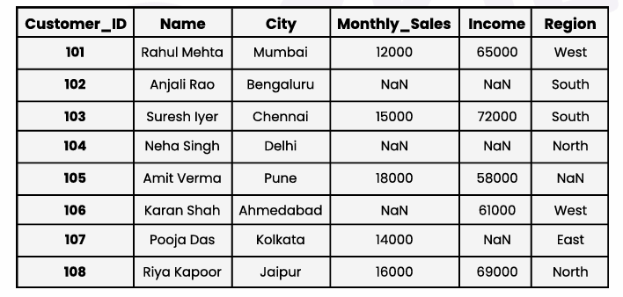
Dataset Given-

Customer_ID | Name | City | Monthly_Sales | Income | Region
101 | Rahul Mehta | Mumbai | 12000 | 65000 | West
102 | Anjali Rao | Bengaluru | NaN | NaN | South
103 | Suresh Iyer | Chennai | 15000 | 72000 | South
104 | Neha Singh | Delhi | NaN | NaN | North
105 | Amit Verma | Pune | 18000 | 58000 | NaN
106 | Karan Shah | Ahmedabad | NaN | 61000 | West
107 | Pooja Das | Kolkata | 14000 | NaN | East
108 | Riya Kapoor | Jaipur | 16000 | 69000 | North

Q8. Listwise Deletion (Remove all rows where Region is missing.)
Tasks:
· Identify affected rows
· Show the dataset after deletion
· Mention how many records were lost

Affected row:

Customer_ID = 105 (Amit Verma, Pune, Region = NaN)

Dataset after deletion:

Customer_ID | Name | City | Monthly_Sales | Income | Region
101 | Rahul Mehta | Mumbai | 12000 | 65000 | West
102 | Anjali Rao | Bengaluru | NaN | NaN | South
103 | Suresh Iyer | Chennai | 15000 | 72000 | South
104 | Neha Singh | Delhi | NaN | NaN | North
106 | Karan Shah | Ahmedabad | NaN | 61000 | West
107 | Pooja Das | Kolkata | 14000 | NaN | East
108 | Riya Kapoor | Jaipur | 16000 | 69000 | North

Records lost: 1

Q9. Imputation (Handle missing values in Monthly_Sales using: Forward Fill)
Tasks:
· Apply forward fill
· Show before vs after values
· Explain why forward fill is suitable here

Customer_ID | Monthly_Sales (Before) | Monthly_Sales (After)
101 | 12000 | 12000
102 | NaN | 12000
103 | 15000 | 15000
104 | NaN | 15000
105 | 18000 | 18000
106 | NaN | 18000
107 | 14000 | 14000
108 | 16000 | 16000

Explanation:
Forward fill is suitable because Monthly_Sales is sequential (customer records listed in order). It assumes sales values don’t change drastically between consecutive entries, making it a reasonable imputation method.

Q10. Flagging Missing Data (Create a flag column for missing Income.)
Tasks:
· Create Income_Missing_Flag (0 = present, 1 = missing)
· Show updated dataset
· Count how many customers have missing income

Updated dataset with flag:

Customer_ID | Name | City | Income | Income_Missing_Flag
101 | Rahul Mehta | Mumbai | 65000 | 0
102 | Anjali Rao | Bengaluru | NaN | 1
103 | Suresh Iyer | Chennai | 72000 | 0
104 | Neha Singh | Delhi | NaN | 1
105 | Amit Verma | Pune | 58000 | 0
106 | Karan Shah | Ahmedabad | 61000 | 0
107 | Pooja Das | Kolkata | NaN | 1
108 | Riya Kapoor | Jaipur | 69000 | 0

Count of missing income: 3 customers (IDs 102, 104, 107)

